Sheet1
title | author | motivation | illustration | tools | Problems Addressed
Fuzz Testing Process Visualization | HAN-LIN LU1,+, REN-JIE ZHUANG1 AND SHIH-KUN HUANG1,2 | the existing fuzzers can only provide limited information and lack a suitable display interface.现有的模糊测试器只能提供有限的信息，并且缺乏合适的显示界面。 |  | FuzzInspector | visualization of the execution of the input seeds. Visualization of the execution path exploration capabilities of different fuzzers. Dynamic analysis interface. Mark what seed data will affect a specified CPU state. Restrict seed generation formats. FuzzInspector can directly connect different fuzzer strategies.输入种子执行的可视化。不同模糊测试器执行路径探索能力的可视化。动态分析界面。标记哪些种子数据会影响指定的 CPU 状态。限制种子生成格式。FuzzInspector 可以直接连接不同的模糊测试器策略。
Evaluating Fuzz Testing | George Klees, Andrew Ruef,Benji Cooper | New fuzzing techniques and algorithms often rely on experimental evaluations, but many of these evaluations lack rigor and consistency.The authors identified issues in 32 fuzzing papers’ experimental setups, which could lead to misleading or incorrect conclusions, wasting time for researchers and practitioners. 新的模糊测试技术和算法通常依赖于实验评估，但其中许多评估缺乏严谨性和一致性。作者发现了 32 篇模糊测试论文的实验设置中存在问题，这可能会导致误导性或错误的结论，浪费研究人员和从业人员的时间。 | 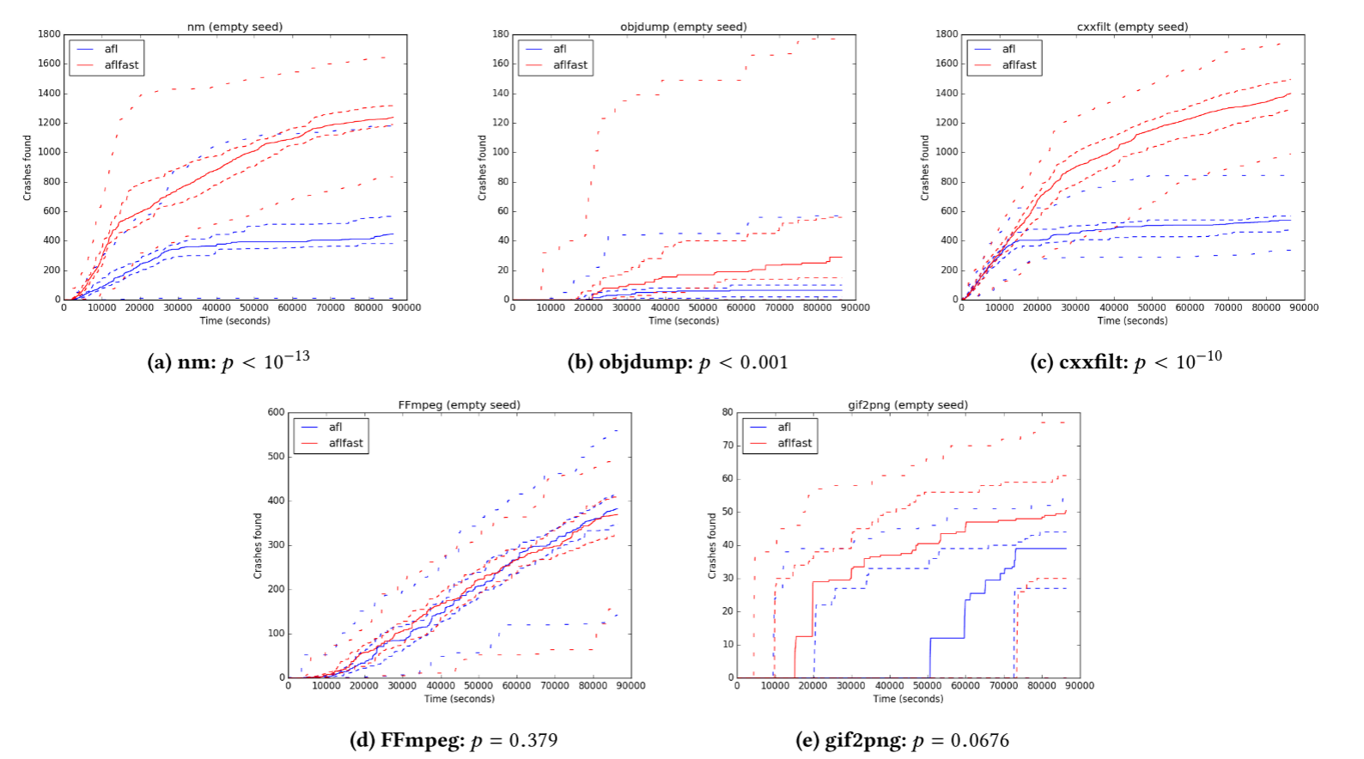 | AFL | explored how different seeds, timeouts, and performance measures impact fuzzing outcomes. Provided guidelines for better fuzzing evaluation practices, including longer timeouts, diverse seed testing, and statistically sound comparisons.探索了不同的种子、超时和性能指标如何影响模糊测试结果。 为更好的模糊测试评估实践提供了指导，包括更长的超时、多样化的种子测试和统计上合理的比较。
FMViz: Visualizing Tests Generated by AFL at the Byte-level | Aftab Hussain, Mohammad Amin Alipour | understanding how the test inputs are being mutated and address the problem from a visualization angle了解测试输入如何发生变化，并从可视化的角度解决问题 |  | FMViz | provide a light-weight approach to visualize fuzzing mutation behavior. Displaying the mutation location in testing and observing series of FMViz output images help in seeing various mutation patterns that take place during fuzzing.提供一种轻量级方法来可视化模糊测试突变行为。显示测试中的突变位置并观察一系列 FMViz 输出图像有助于查看模糊测试过程中发生的各种突变模式。
FuzzSplore: Visualizing Feedback-Driven Fuzzing Techniques | Andrea Fioraldi and Luigi Paolo Pileggi | paper wants to select the best fuzzing techniques for one single target. That is also the evaluation of fuzzing techniques.本文的目的是针对单个目标选择最佳的模糊测试技术。这也是对模糊测试技术的评估。 |  | FuzzSplore | allows an analyst to manually explore the evolution of different fuzzing techniques regards a single target program.允许分析师手动探索单个目标程序的不同模糊测试技术的演变。
VisFuzz: Understanding and Intervening Fuzzing with Interactive Visualization | Chijin Zhou∗, Mingzhe Wang∗, Jie Liang∗, Zhe Liu†, Chengnian Sun‡ and Yu Jiang∗ | the AFL and libFuzzer's performance is limited by complex constraints in large programs. One of the reasons is limited coverage — code guarded by constraints such as magic number and nested conditions prevent a fuzzer to explore paths behind.AFL 和 libFuzzer 的性能受到大型程序中复杂约束的限制。其中一个原因是覆盖范围有限——受魔法数字和嵌套条件等约束保护的代码阻止模糊器探索背后的路径。 | 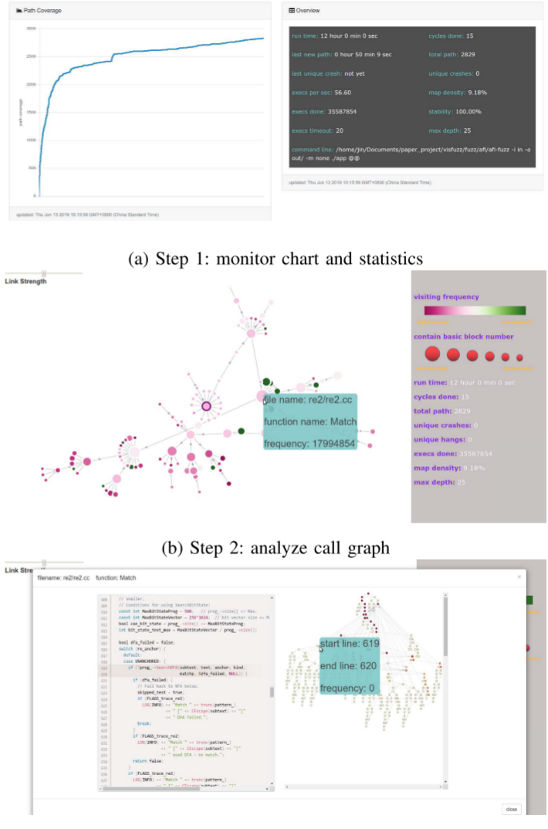 | VisFuzz | challenge:1) locate the boundary of unexplored regions (where the bottleneck resides); 2) understand the semantic context around the bottleneck; 3) intervene the fuzzing process (e.g. construct targeted input, update test driver) to achieve higher coverage. achieved:1) drill down into the bottleneck from function level, basic block level to statement level; 2) learn semantic context from basic blocks and source code; 3) construct targeted inputs or update the test driver to increase coverage.挑战：1）找到未探索区域的边界（瓶颈所在）； 2）了解瓶颈周围的语义上下文；3）干预模糊测试过程（例如构建目标输入， 更新测试驱动程序）以实现更高的覆盖率。实现：1）从函数级别、基本块级别到语句级别深入研究瓶颈；2）从基本块和源代码中学习语义上下文；3）构建目标输入或更新测试驱动程序以增加覆盖率。
Visualizing and Understanding the Internals of Fuzzing | Sriteja Kummita Zenong Zhang Eric Bodden | using code coverage and using bug finding capability are both insufficient to fully understand the effect that the evaluated change to the fuzzer has within that fuzzer.使用代码覆盖率和使用错误查找功能都不足以完全理解 对模糊测试器进行评估的更改在该模糊测试器中的影响。 |  |  | Monitor and record internal fuzzing data. Visualizing the internals of fuzzing. Evaluation specification.监控并记录内部模糊测试数据。可视化模糊测试的内部结构。评估规范。
FUZZPLANNER: Visually Assisting the Design of Firmware Fuzzing Campaigns | Emilio Coppa, Alessio Izzillo*, Riccardo Lazzeretti, Simone Lenti | for firmware image we assume the source is not fully available and the device documentation may be incomplete. The security operator comprehends the fuzzing engine’s functionalities, but uncertainty remains regarding what components to fuzz and how to fuzz them within the current firmware image context.对于固件映像，我们假设源代码不完全可用，设备文档可能不完整。安全操作员理解模糊测试引擎的功能，但对于在当前固件映像上下文中模糊测试哪些组件以及如何模糊测试它们仍不确定。 | 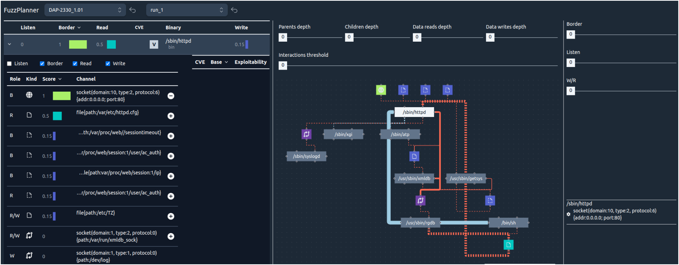 | FUZZPLANNER | Our solution helps the operator understand: (a) what binaries are executed by the firmware when emulated, (b) how they interact with each other, (c) which binaries take inputs from the external world, and (d) the input channels that could be selected for fuzzing. 我们的解决方案 帮助操作员了解：(a) 固件在模拟时执行了哪些二进制文件，(b) 它们如何相互作用， (c) 哪些二进制文件从外部世界获取输入，以及 (d) 可以选择用于模糊测试的
MobFuzz: Adaptive Multi-objective Optimization in Gray-box Fuzzing | Gen Zhang, Pengfei Wang, Tai Yue, Xiangdong Kong, Shan Huang, Xu Zhou, Kai Lu | 1)During the long campaign of fuzzing, optimizing one objective may have a negative effect on another objective. 2)allocate an appropriate amount of energy based on the path discovery ability of seeds to save energy. 3)Reducing performance overhead introduced by multi-objective fuzzing.1）在长期的模糊测试过程中，优化一个目标可能会对另一个目标产生负面影响。2）根据种子的路径发现能力分配适当的能量以节省能源。3）减少多目标模糊测试引入的性能开销。 | 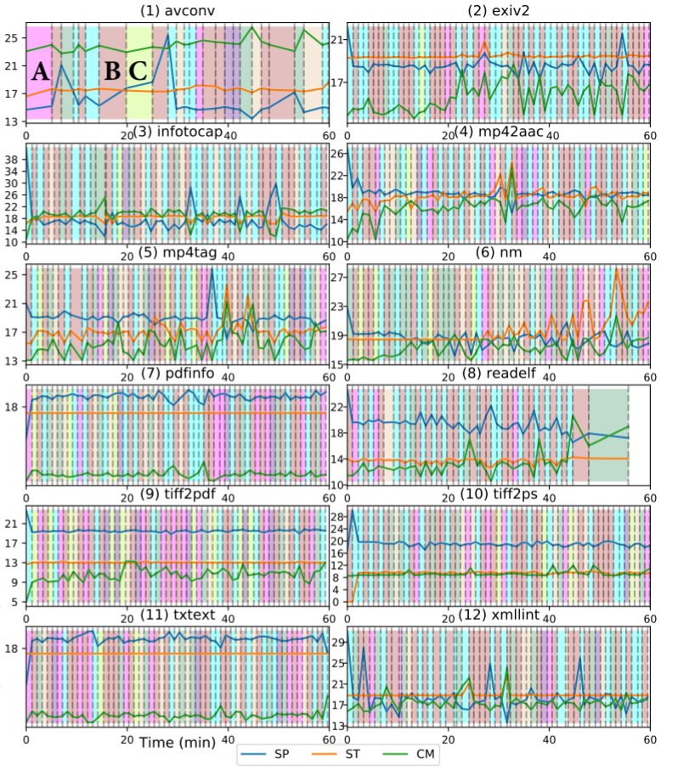 | MobFuzz | 1)target the weakness of CGF in multi-objective optimization. 2)propose the NIC algorithm in MobFuzz. 3)implement MobFuzz and evaluate it with real-world programs and the MAGMA data set.1）针对CGF在多目标优化中的弱点。2）提出MobFuzz中的NIC算法。3）实现MobFuzz并使用真实程序和MAGMA数据集对其进行评估。
Visualization Task Taxonomy to Understand the Fuzzing Internals | Sriteja Kummita | However, to what extent do these improvements affect the internal components (or internals) of a given fuzzer is not yet understood as the improvements are mostly evaluated in terms of code coverage and bug finding capability. tools to visualize the outcomes of the fuzzing focus on high-level information and no previous research on visualization has been dedicated to understanding fuzzing internals.然而，这些改进在多大程度上影响给定模糊测试器的内部组件（或内部结构）尚不清楚，因为这些改进主要是根据代码覆盖率和错误查找能力来评估的。可视化模糊测试结果的工具侧重于高级信息，之前还没有关于可视化的研究致力于理解模糊测试的内部结构。 | 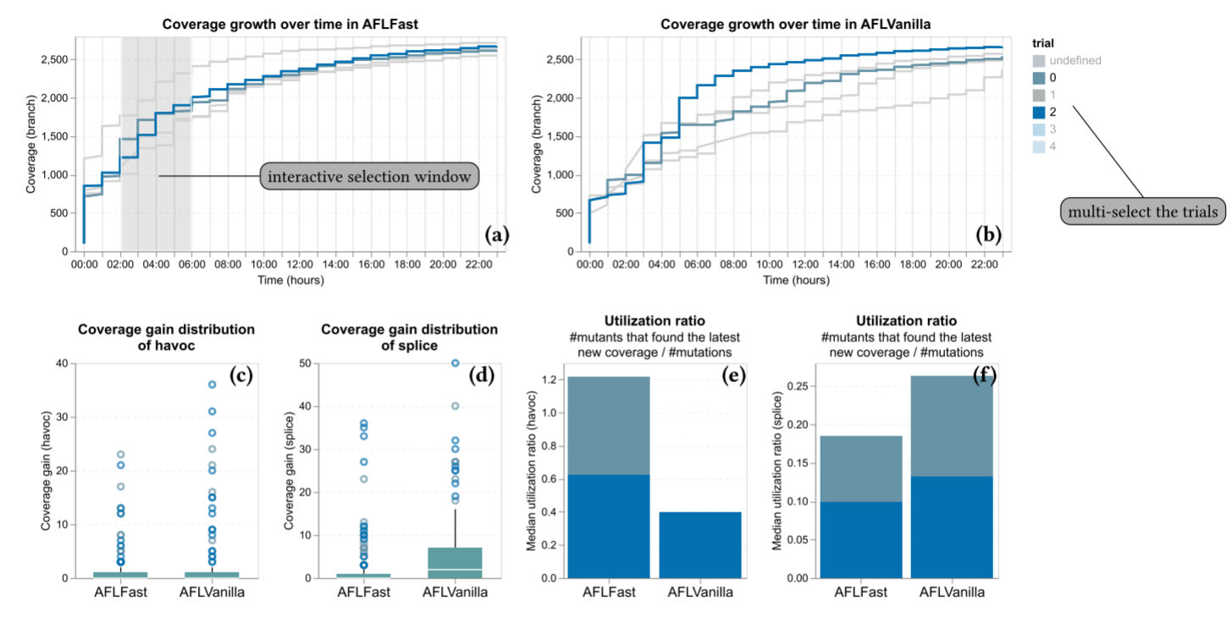 |  | 1)Semi-structured interviews with fuzzing experts. 2)Qualitative data analysis protocol to analyze the interview data.3) Evaluation of existing visualization tools in fuzzing using our task taxonomy.1) 与模糊测试专家进行半结构化访谈。2) 定性数据分析协议来分析访谈数据。3) 使用我们的任务分类法评估模糊测试中现有的可视化工具。

